Sheet1
 |  | Document No. |  | Issue No. |  | Issue Date |  |  | Review and Replace Date |  | Authorised By
 |  | GFF241MC |  | 1 |  | 10.11.2020 |  |  | New Issue |  | Magda Shah
 |  | Document Title | SPICY BLACK BEAN CHILLI 450G
Document amendments reason for change |  | New product launch |  |  | Page 1 of 1 |  | Previous Issue Date |  |  | New Issue | Uncontrolled copy unless signed original

FVBBCR-R8TMC | MINDFUL CHEF |  |  | SPICY BLACK BEAN CHILLI 450G | FROZEN
STEP 1 |  |  |  | STEP 2
 |  |  |  | 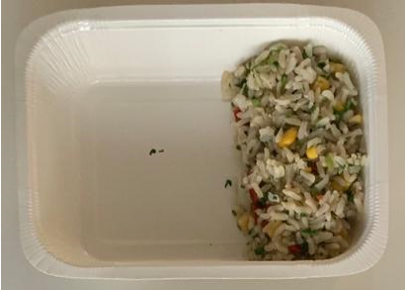

Tray: WHITE OVENABLE BOARD TRAY (PKSOU002-01) |  |  |  | Corn and Red Pepper Brown Rice (GFF342R) 100g
Film: 145 X 100 X 250 (PKWRA001-07)
STEP 3 |  |  |  |  |  |  |  | STEP 4
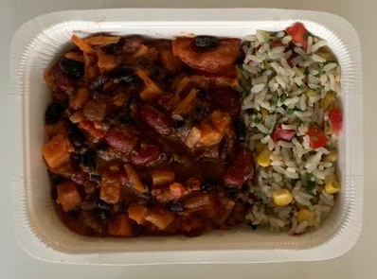 |  |  |  |  |  |  |  | 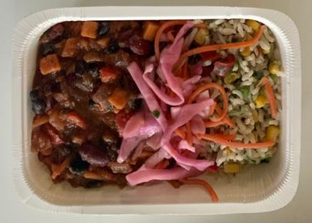

Barbacoa Bean Sauce (GFF341R) 325g |  |  |  |  |  |  |  | Pickle Slaw Mix 25g |  |  |  | TOTAL WEIGHT: 450g

ALLERGY ALERT: none

